DP
Flow | From | To | Capacity per Hour | Capacity | Node | Supply | Demand
 | 1 | 3 | 2,000 | ? | 1 | 33,000
 | 1 | 6 | 5,000 | ? | 2 | 33,000 |  | Number of Hours
 | 1 | 7 | 10,000 | ? | 3 |  |  | gates must be open
 | 1 | 8 | 15,000 | ? | 4
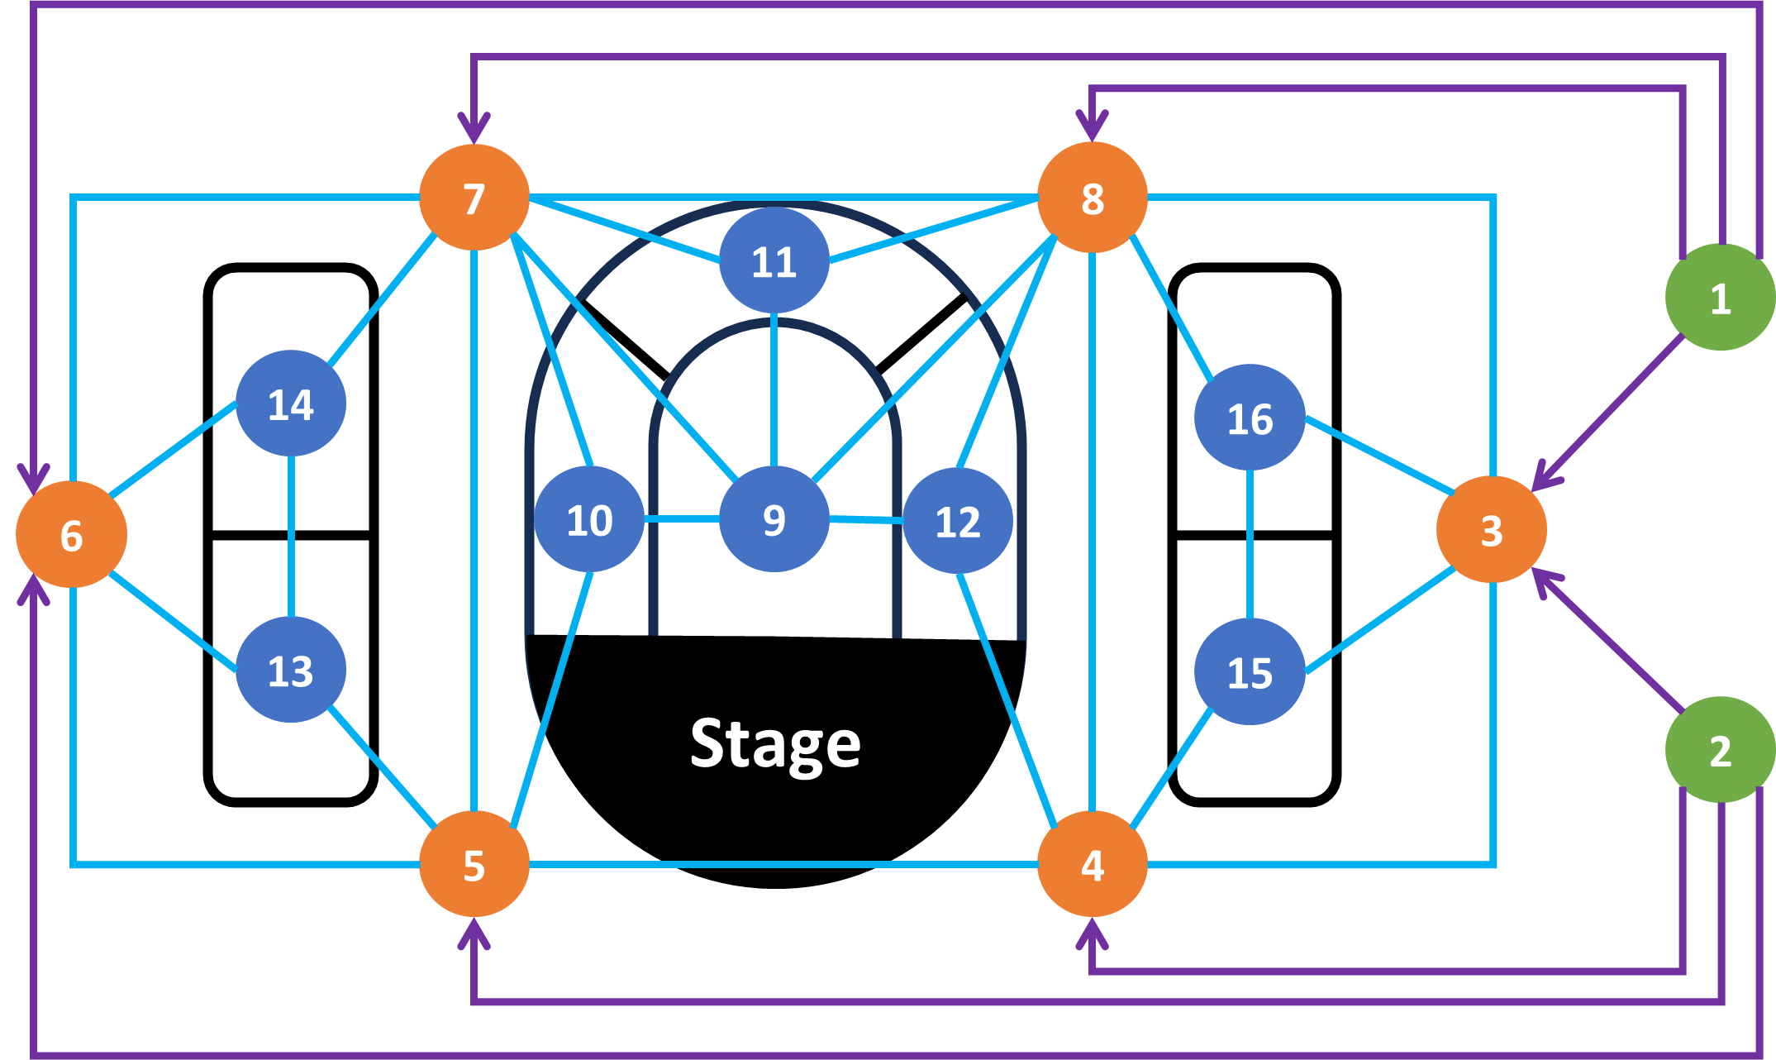
 | 2 | 3 | 2,000 | ? | 5
 | 2 | 4 | 15,000 | ? | 6
 | 2 | 5 | 10,000 | ? | 7
 | 2 | 6 | 5,000 | ? | 8
 | 3 | 4 | 2,500 | ? | 9 |  | 10,000
 | 3 | 8 | 2,500 | ? | 10 |  | 9,500
 | 3 | 15 | 3,000 | ? | 11 |  | 12,000
 | 3 | 16 | 3,000 | ? | 12 |  | 9,500
 | 4 | 3 | 2,500 | ? | 13 |  | 6,250
 | 4 | 5 | 7,500 | ? | 14 |  | 6,250
 | 4 | 8 | 10,000 | ? | 15 |  | 6,250
 | 4 | 12 | 4,000 | ? | 16 |  | 6,250
 | 4 | 15 | 3,000 | ?
 | 5 | 4 | 7,500 | ?
 | 5 | 6 | 2,500 | ?
 | 5 | 7 | 10,000 | ?
 | 5 | 10 | 4,000 | ?
 | 5 | 13 | 3,000 | ?
 | 6 | 5 | 2,500 | ?
 | 6 | 7 | 2,500 | ?
 | 6 | 13 | 3,000 | ?
 | 6 | 14 | 3,000 | ?
 | 7 | 5 | 10,000 | ?
 | 7 | 6 | 2,500 | ?
 | 7 | 8 | 7,500 | ?
 | 7 | 9 | 3,000 | ?
 | 7 | 10 | 4,000 | ?
 | 7 | 11 | 4,000 | ?
 | 7 | 14 | 3,000 | ?
 | 8 | 3 | 2,500 | ?
 | 8 | 4 | 10,000 | ?
 | 8 | 7 | 7,500 | ?
 | 8 | 9 | 3,000 | ?
 | 8 | 11 | 4,000 | ?
 | 8 | 12 | 4,000 | ?
 | 8 | 16 | 3,000 | ?
 | 9 | 7 | 3,000 | ?
 | 9 | 8 | 3,000 | ?
 | 9 | 10 | 1,000 | ?
 | 9 | 11 | 1,000 | ?
 | 9 | 12 | 1,000 | ?
 | 10 | 5 | 4,000 | ?
 | 10 | 7 | 4,000 | ?
 | 10 | 9 | 1,000 | ?
 | 11 | 7 | 4,000 | ?
 | 11 | 8 | 4,000 | ?
 | 11 | 9 | 1,000 | ?
 | 12 | 4 | 4,000 | ?
 | 12 | 8 | 4,000 | ?
 | 12 | 9 | 1,000 | ?
 | 13 | 5 | 3,000 | ?
 | 13 | 6 | 3,000 | ?
 | 13 | 14 | 1,000 | ?
 | 14 | 6 | 3,000 | ?
 | 14 | 7 | 3,000 | ?
 | 14 | 13 | 1,000 | ?
 | 15 | 3 | 3,000 | ?
 | 15 | 4 | 3,000 | ?
 | 15 | 16 | 1,000 | ?
 | 16 | 3 | 3,000 | ?
 | 16 | 8 | 3,000 | ?
 | 16 | 15 | 1,000 | ?

PA
 | c1 | c2 | b | e | M
 |  |  |  | 1 | 100000 |  | Coordinates for line
 |  |  |  |  |  |  | Loan amount | Credit score
Loan # | Loan amount | Credit score | Default? | Misclassified? | c1 * Loan amt + c2 * Credit score - M* Misclassified? | b - e | 0 | #DIV/0!
1 | $23,700 | 480 | Default |  | 0.0 | -1.0 | 3000 | #DIV/0!
2 | $20,900 | 470 | Default |  | 0.0 | -1.0 | 6000 | #DIV/0!
3 | $14,500 | 760 | Default |  | 0.0 | -1.0 | 9000 | #DIV/0!
4 | $20,800 | 680 | Default |  | 0.0 | -1.0 | 12000 | #DIV/0!
5 | $24,100 | 630 | Default |  | 0.0 | -1.0 | 15000 | #DIV/0!
6 | $19,400 | 750 | Default |  | 0.0 | -1.0 | 18000 | #DIV/0!
7 | $12,300 | 590 | Default |  | 0.0 | -1.0 | 21000 | #DIV/0!
8 | $20,700 | 620 | Default |  | 0.0 | -1.0 | 24000 | #DIV/0!
9 | $19,800 | 530 | Default |  | 0.0 | -1.0 | 27000 | #DIV/0!
10 | $19,100 | 720 | Default |  | 0.0 | -1.0

Loan # | Loan amount | Credit score | Default? | Misclassified? | c1 * Loan amt + c2 * Credit score + M* Misclassified? | b + e
11 | $19,300 | 720 | No default |  | 0.0 | 1.0
12 | $15,100 | 800 | No default |  | 0.0 | 1.0
13 | $15,500 | 670 | No default |  | 0.0 | 1.0
14 | $16,200 | 640 | No default |  | 0.0 | 1.0
15 | $13,400 | 790 | No default |  | 0.0 | 1.0
16 | $12,500 | 850 | No default |  | 0.0 | 1.0
17 | $10,600 | 810 | No default |  | 0.0 | 1.0
18 | $14,800 | 790 | No default |  | 0.0 | 1.0
19 | $13,500 | 660 | No default |  | 0.0 | 1.0
20 | $10,400 | 830 | No default |  | 0.0 | 1.0

MMs
M/M/s Queueing Calculations

Basic Parameters |  |  | State Probabilities
Arrival Rate | 9 | per hour | Number in system | Probability
Service Rate | 1 | per hour | 0 | 0.0%
Number of Servers | 10 |  | 1 | 0.1%
Time Unit | hour |  | 2 | 0.3%
 |  |  | 3 | 0.8%
Basic Performance Measures |  |  | 4 | 1.9%
Utilization | 90% |  | 5 | 3.4%
P(0), probability that the system is empty | 0% |  | 6 | 5.1%
Lq, expected number in queue | 6.0186 |  | 7 | 6.6%
L, expected number in system | 15.0186 |  | 8 | 7.4%
Wq, expected time in queue | 0.6687 | hours | 9 | 7.4%
Note: this worksheet uses special functions that are defined as macros in this workbook.
W, expected total time in system | 1.6687 | hours | 10 | 6.7%
Probability that customer waits | 67% |  | 11 | 6.0%
 |  |  | 12 | 5.4%
Advanced Parameters |  |  | 13 | 4.9%
Threshold time | 0.1 | hours | 14 | 4.4%
Desired service level | 90% |  | 15 | 3.9%
 |  |  | 16 | 3.6%
Advanced Performance Measures |  |  | 17 | 3.2%
Current service level | 39% |  | 18 | 2.9%
Number of servers required to achieve desired service level | 14 |  | 19 | 2.6%
 |  |  | 20 | 2.3%

 |  |  | Total | 79%

MMs finite cap
M/M/s Finite Capacity Queueing Calculations

Basic Parameters |  |  | State Probabilities
Arrival Rate | 9 | per hour | Number in system | Probability
Service Rate | 1 | per hour | 0 | 0%
Number of Servers | 10 |  | 1 | 0%
Maximum queue length | 20 |  | 2 | 0%
Time Unit | hour |  | 3 | 1%
 |  |  | 4 | 2%
Basic Performance Measures |  |  | 5 | 4%
Utilization | 89% |  | 6 | 6%
P(0), probability that the system is empty | 0% |  | 7 | 7%
Lq, expected number in queue | 4.1253 |  | 8 | 8%
L, expected number in system | 13.0463 |  | 9 | 8%
Wq, expected time in queue | 0.4624 | hours | 10 | 7%
Note: this worksheet uses special functions that are defined as macros in this workbook.
W, expected total time in system | 1.4624 | hours | 11 | 6%
Probability that customer waits | 64% |  | 12 | 6%
Probability that a customer balks | 1% |  | 13 | 5%
 |  |  | 14 | 5%
Advanced Parameters |  |  | 15 | 4%
Threshold time | 0.1 | hours | 16 | 4%
Desired service level | 90% |  | 17 | 3%
 |  |  | 18 | 3%
Advanced Performance Measures |  |  | 19 | 3%
Current service level | 43% |  | 20 | 3%
Number of servers required to achieve desired service level. | 14 |  | Total | 85%
Number of servers required to achieve desired service level. | 14

MMs finite pop
Finite Population Queueing Calculations

Basic Parameters
Arrival Rate | 0.5 | per customer per hour
Service Rate | 1 | per hour | State Probabilities
Number of Servers | 10 |  | Number in system | Probability
Population size | 20 |  | 0 | 0%
Time Unit | hour |  | 1 | 0%
 |  |  | 2 | 1%
Basic Performance Measures |  |  | 3 | 4%
Utilization | 66% |  | 4 | 9%
P(0), probability that the system is empty | 0% |  | 5 | 14%
Lq, expected number in queue | 0.0759 |  | 6 | 18%
L, expected number in system | 6.7173 |  | 7 | 18%
Note: this worksheet uses special functions that are defined as macros in this workbook.
Wq, expected time in queue | 0.0114 | hours | 8 | 15%
W, expected total time in system | 1.0114 | hours | 9 | 10%
Probability that customer waits | 10% |  | 10 | 5%
 |  |  | 11 | 3%
 |  |  | 12 | 1%
 |  |  | 13 | 0%
 |  |  | 14 | 0%
 |  |  | 15 | 0%
 |  |  | 16 | 0%
 |  |  | 17 | 0%
 |  |  | 18 | 0%
 |  |  | 19 | 0%
 |  |  | 20 | 0%
 |  |  | Total | 100%

